Case Logic
 |  | CASE LOGIC BY THULE IN STOCK!

Photo | Article | Model | Total | RRP/UVP | Material | Sizes
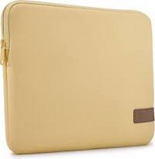 | 3204877 | Case Logic Reflect Laptop Sleeve 13.3" REFPC113 Yonder Yellow | 1326 | € 39.99 | 100% Polyester | 35.5 x 3.0 x 26.0 cm
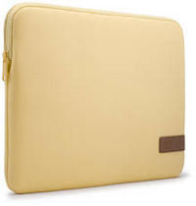 | 3204880 | Case Logic Reflect Laptop Sleeve 14" REFPC114 Yonder Yellow | 816 | € 39.99 | 100% Polyester | 37,5 x 3,0 x 27,0 cm
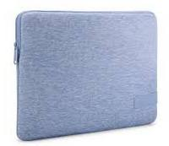 | 3204906 | Case Logic Reflect MacBook Sleeve 14" REFMB114 Skyswell Blue | 1043 | € 39.99 | 100% Polyester | 34.0 x 2.0 x 24.0 cm
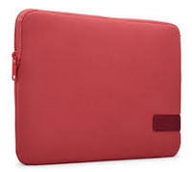 | 3204951 | Case Logic Reflect MacBook Sleeve 13" REFMB113 Astro Dust | 869 | € 39.99 | 100% Polyester | 33.0 x 3.0 x 23.5 cm
 | 3204952 | Case Logic Reflect MacBook Sleeve 13" REFMB113 Boulder Beige | 744 | € 39.99 | 100% Polyester | 33,0 x 3,0 x 23,5 cm
 | 3204955 | Case Logic Reflect MacBook Sleeve 14" REFMB114 Boulder Beige | 522 | € 39.99 | 100% Polyester | 34.0 x 2.0 x 24.0 cm
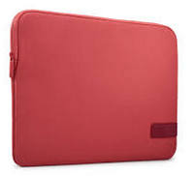 | 3204957 | Case Logic Reflect Laptop Sleeve 13.3" REFPC113 Astro Dust | 716 | € 39.99 | 100% Polyester | 35.5 x 3.0 x 26.0 cm
 | 3204958 | Case Logic Reflect Laptop Sleeve 13.3" REFPC113 Boulder Beige | 716 | € 39.99 | 100% Polyester | 35.5 x 3.0 x 26.0 cm
 | 3204961 | Case Logic Reflect Laptop Sleeve 14" REFPC114 Boulder Beige | 272 | € 39.99 | 100% Polyester | 37.5 x 3.0 x 27.0 cm
 | 3204953 | Case Logic Reflect MacBook Sleeve 14" REFMB114 Gentle Blue | 1621 | € 39.99 | 100% Polyester | 34.0 x 2.0 x 24.0 cm
 | 3204954 | Case Logic Reflect MacBook Sleeve 14" REFMB114 Astro Dust | 221 | € 39.99 | 100% Polyester | 34.0 x 2.0 x 24.0 cm
 | 3204959 | Case Logic Reflect Laptop Sleeve 14" REFPC114 Gentle Blue | 229 | € 39.99 | 100% Polyester | 37,5 x 3,0 x 27,0 cm
 | 3204960 | Case Logic Reflect Laptop Sleeve 14" REFPC114 Astro Dust | 632 | € 39.99 | 100% Polyester | 37,5 x 3,0 x 27,0 cm
 | 3204963 | Case Logic Reflect Laptop Sleeve 15.6" REFPC116 Astro Dust | 427 | € 39.99 | 100% Polyester | 41.0 x 3.0 x 29.5 cm
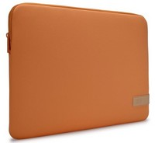 | 3205137 | Case Logic Reflect Laptop Sleeve 15.6" REFPC116 Luscious Orange | 302 | € 39.99 | 100% Polyester | 41.0 x 3.0 x 29.5 cm
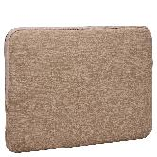 | 3204952 | Case Logic Reflect Laptop Sleeve 13" REFMB113 Boulder Beige | 432 | € 39.99 | 100% Polyester | 35.5 x 3.0 x 26.0 cm
 |  |  | 10888

